Invoice 2010
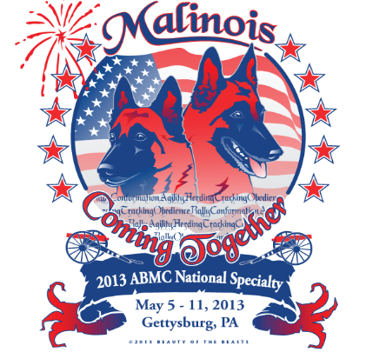 |  | Complete this convenient form with your specialty orders and mail with your check or credit card info to Sally Atterberry! | Invoice

ABMC
c/o Sally Atterberry
PO Box 27
Oakford, IL 62673
217-685-8989 salwex@aol.com
salwex@aol.com
 |  |  | Date
 |  |  | Invoice # | 2013
 |  |  | For: | specialty

Bill To:
Name on Credit Card _________________________________________
Full Address _________________________________________________
Credit Card # _______________________________________________
Exp. Date_______________
3 digit code__________ Make checks payable to ABMC

Quantity | Description | Unit price | Amount | Column1
 | RV Parking | $35.00 | $0.00 | 0
 | Welcome Dinner | $15.00 | $0.00 | 0
 | Banquet meal (chicken) | $31.00 | $0.00 | 0
 | Banquet meal (london broil) | $31.00 | $0.00 | 0
 | Banquet meal (veg. lasagna) | $24.00 | $0.00 | 0
 | Merchandise order |  | $0.00 | 0
 | Trophy donation |  | $0.00 | 0
 | Honor Parade | $15.00 | $0.00 | 0
 | Rescue Parade | $15.00 | $0.00 | 0
 | other |  | $0.00 | 0
 |  |  | $0.00 | 0
Subtotal |  |  | $0.00
Use this form to consolidate all payments in to one credit card charge. You can email this to Sally but you still need to send the forms that correspond to the charges above to insure proper credit for each.
Not to be used for entries!!! Thank You!
 |  | Balance Due

